Sheet1
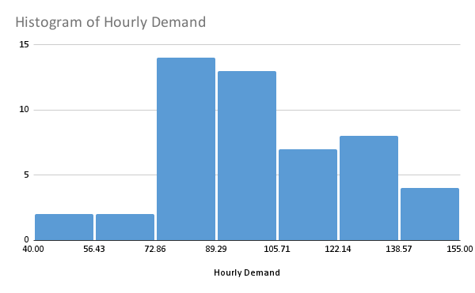
Hourly Demand
94
53
135
72
78
100
115
86
97
92
136
94
154
102
87
98
73
122
72
82
81
78
100
144
89
121
118
40
88
85
135
101
137
140
109
79
149
114
87
104
135
95
124
129
87
107
98
95
132
74

